BREAKEVEN CALCULATIONS
Strategy:1(Far month July) | Long Call | Sk= | 260 | Premium | 6.45 | Payoff Matrix:
NOTE: Calculations are per lot |  |  |  |  |  |  | ST <K | ST >=K
 |  | St= | 260 |  |  | Payoff | 0 | ST -K
 |  | payoff= | 0 | (St-Sk) |  | Profit | -premium | ST -K-premium
 |  | profit= | -6.45 | (St-Sk-premium)
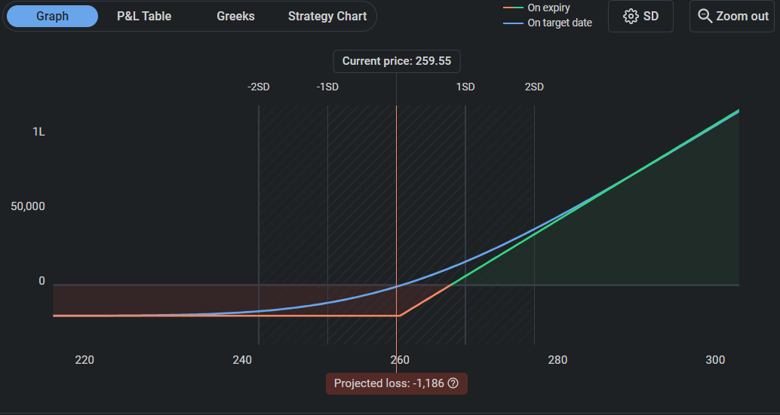
 |  |  | Profit graph:
Payoffs | ST<260 | ST>=260
Long call(K=260) | 0 | ST-K
Net payoff | 0 | ST-K
Profits | -6.45 | ST-K-6.45

Break Even | 266.45
Max Loss | -20640 | (we multiplied by 1 LOT=3200 )
Max Profit | UNLIMITED

Strategy:2(Far month july) | Short Put | Sk= | 260 | Premium | 7.35 | Payoff Matrix: | ST<K | ST>=K
 |  |  |  |  |  | Payoff | ST-K | 0
 |  | St= | 260 |  |  | Profit | ST -K+premium | premium
 |  | payoff= | 0 | (St-Sk)
 |  | profit= | -7.35 | (St-Sk-premium)
 |  |  | Profit graph:
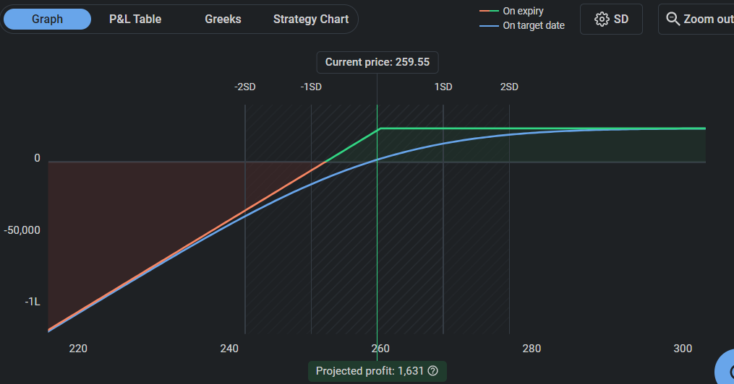
Payoffs | ST<260 | ST>=260
Short Put(k=260) | ST-K | 0
Net payoff | ST-K | 0
Profits | ST-K+7.35 | 7.35

Break Even | 252.65
Max Loss | UNLIMITED
Max Profit | 23520 | (we multiplied by 1 LOT=3200)
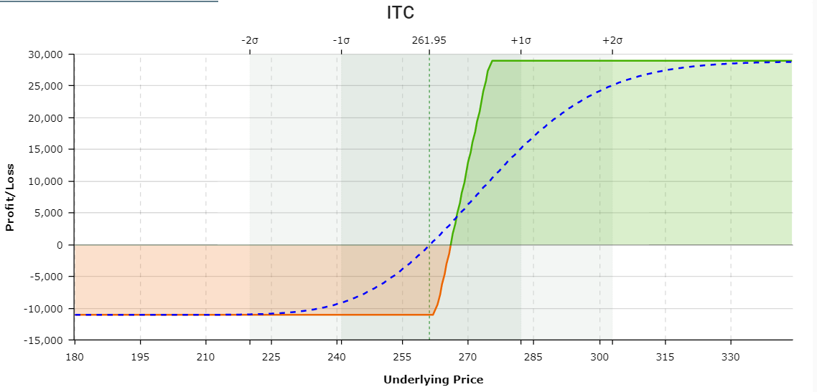
Strategy 3:Bull Call Spread(Next month June)
Lot Size=3200 |  |  |  |  |  |  | profit |  | Profit graph:
 | Sk | premium | expiry |  |  | St<262.5 | 262.5<St<275 | St>275
long call | 262.5 | Rs7 | 2022-05-26 |  |  | -7*3200 | (St-262.5)*3200-7*3200 | (St-262.5)*3200-7*3200
short call | 275 | Rs3.55 | 2022-05-26 |  | long call | 3.55*3200 | 3.55*3200 | (275-St)*3200+3.55*3200
 | payoff matrix |  |  |  | short call | -11040 | (St-265.95)*3200 | 28960
 | St<262.5 | 262.5<St<275 | St>275 |  | net profit
long call | 0 | (St-Sk)*3200 | (St-Sk)*3200
short call | 0 | 0 | (Sk-St)*3200
Net Payoff | 0 | (St-Sk)*3200 | 0
breakeven point | 266
max loss | 11040
max profit | 28960

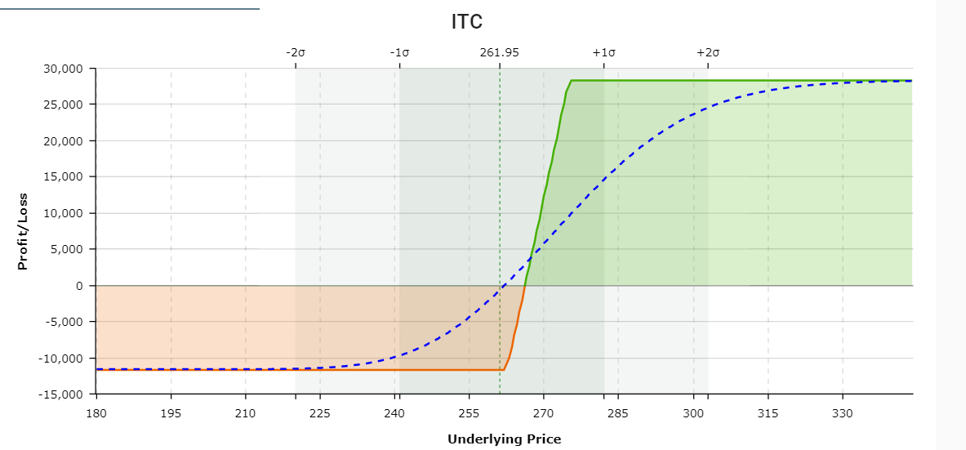
Strategy 4:Bull Put Spread(Next month June)
Lot Size=3200

 | Sk | premium | expiry
long put | 262.5 | Rs8.45 | 2022-05-26
short put | 275 | Rs17.3 | 2022-05-26
 |  |  |  |  |  |  | profit
 |  |  |  |  |  | St<262.5 | 262.5<St<275 | St>275
 | payoff matrix |  |  |  | long put | (St-262.5)*3200-8.45*3200 | -8.45*3200 | -8.45*3200
 | St<262.5 | 262.5<St<275 | St>275 |  | short put | 17.3*3200 | 17.3*3200 | 17.3*3200
long put | (St-Sk)*3200 | 0 | 0 |  | net profit | -11680 | (St-253.65)*3200 | 28320
short put | (Sk-St)*3200 | (Sk-St)*3200 | 0
Net Payoff | 12.5*3200 | (Sk-St)*3200 | 0
breakeven point | 266.5
max loss | 11680
max profit | 28320

Strategy: 5(Next Month June) | Call Ratio Back Spread

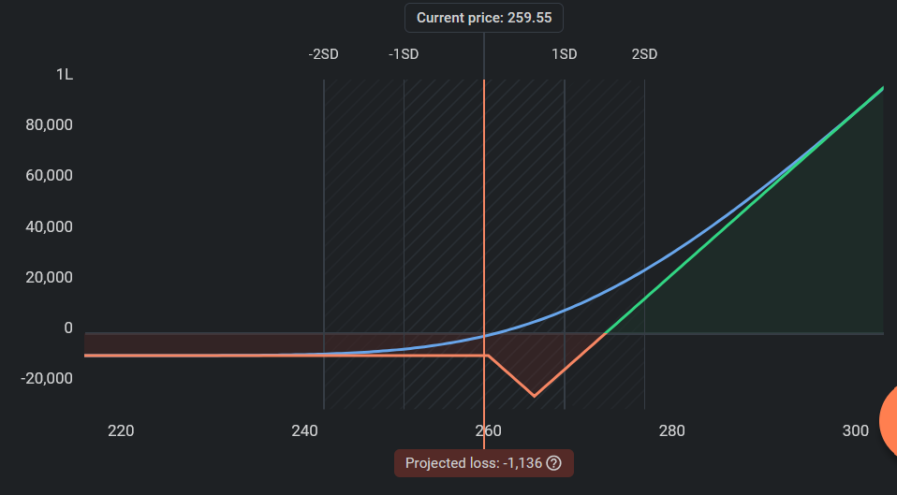
 |  |  |  | ITC Lot Size= 3200 | Expiry | Profit Graph:
 |  |  |  |  | 2022-05-26
 |  | Payoff Matrix |  | Premium | 2022-05-26
 | St< 260 | 260<St< 265 | 265<St<272
2*Long Call(S2=265,P2) | 0 | 0 | 2*(ST-S2)
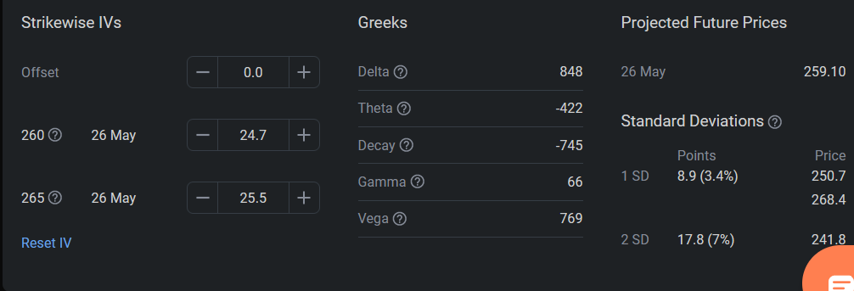
Short Call(S1=260,P1) | 0 | S1-ST | S1-ST
net payoff | 0 | S1-ST | S1-2S2+ST
net profit | P1-2P2+0 | P1-2P2+(S1-ST) | P1-2P2+S1-2S2+ST

Breakeven | 272.75
Max Loss | -7.75
Max Profit | Unlimited

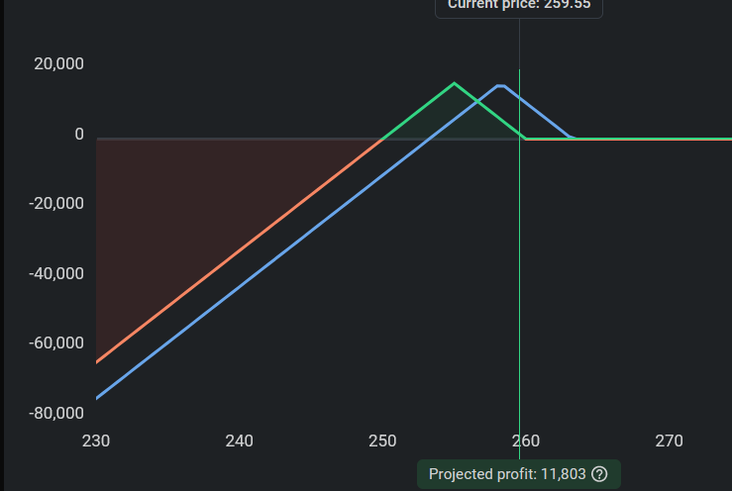
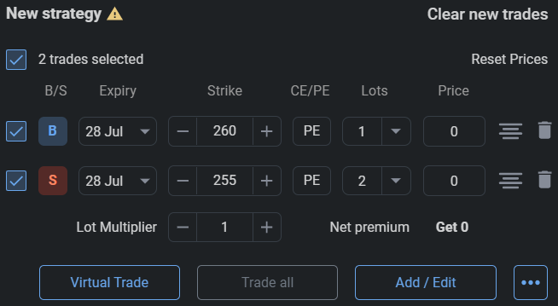
Strategy 6: (Next Month June) | Put Ratio Spread
 |  | Payoff Matrix
S2>S1 | ST<=S1 | S1<ST<S2 | ST>S2 | Profit Graph:
Long Put(S2, P2) | S2-ST | S2-ST | 0
Short Put(S1,P1)(*2lots) | -(S1-ST) | 0 | 0
Net Payoff | S2-S1 | S2-ST | 0
Net Profit | S2-S1-P2+P1 | S2-ST-P2+P1 | -P2+P1

Breakevens | 246.2, 273.8
Max Loss | Unlimited
Max Profit | 44160

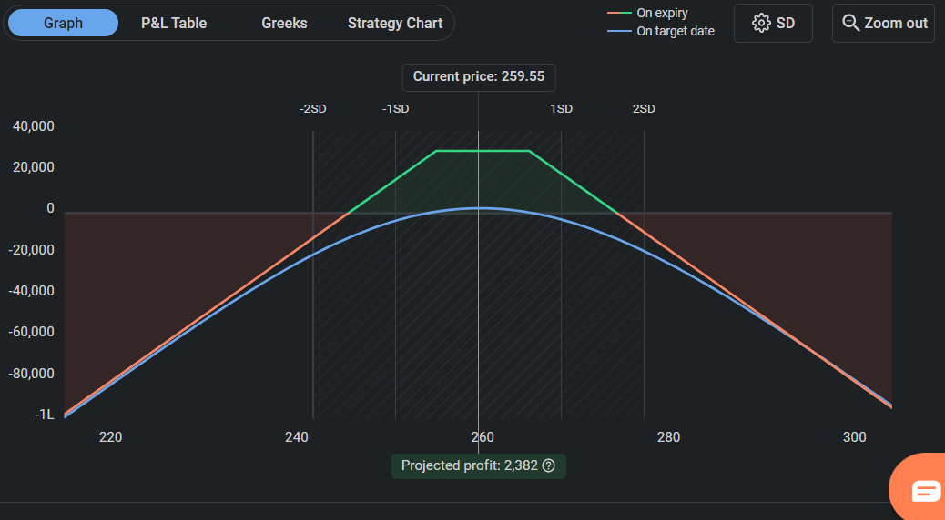
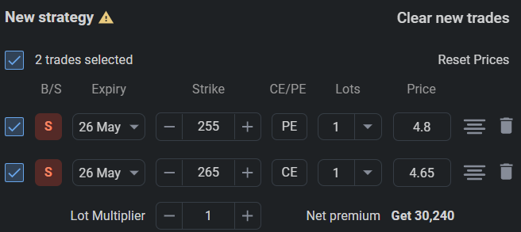
 |  |  | Profit Graph:
Strategy 7: (Near month-May) | Short Strangle

where k2>k1 | St<K1 | K1<St<K2 | St>K2
Short Call(k2,c) | 0 | 0 | -(St-K2)
Short Put(k1,p) | -(K1-St) | 0 | 0
Net Payoff | St-K1 | 0 | K2-St
Net Profit | St-K1+c+p | c+p | K2-St+c+p

Breakevens | 245.55(-5.39%) 274.45(5.74%)
Max Loss | Unlimited
Max Profit | 30,240

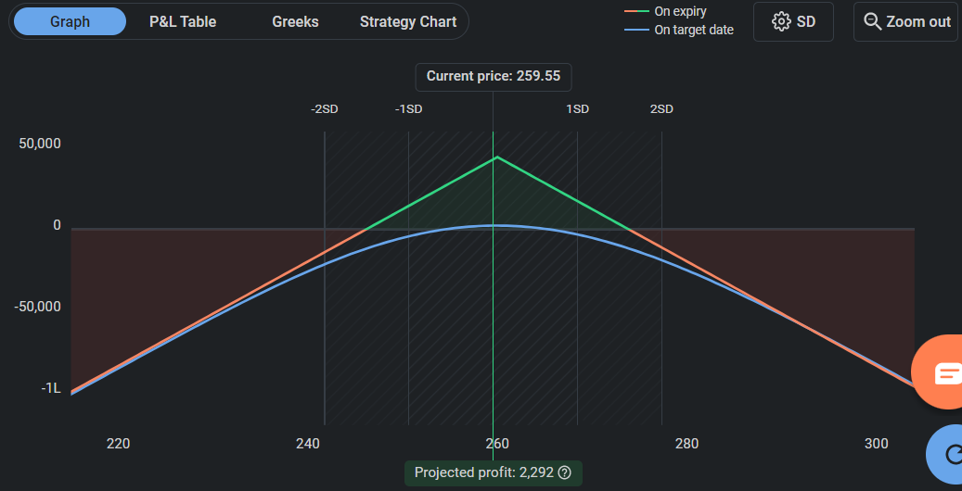
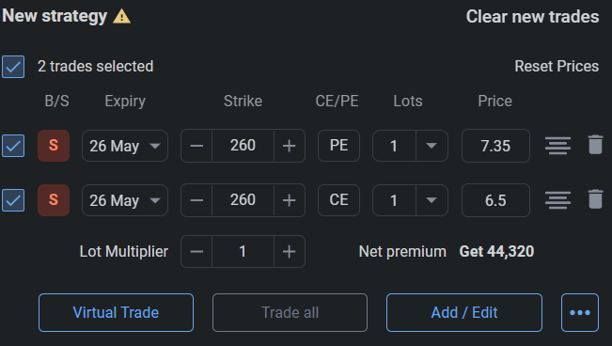
 |  |  |  | Profit Graph:
Strategy 8: (Near month-May) | Short Straddle

for both K is same | St<K1 | St>K
Short Call(c) | 0 | K-St
Short Put(p) | St-K | 0
Net Payoff | St-K | K-St
Net Profit | St-K+p+c | St-k+p+c

Breakevens | 246.15(-5.16%) 273.85(5.51%)
Max Loss | Unlimited
Max Profit | 44,320

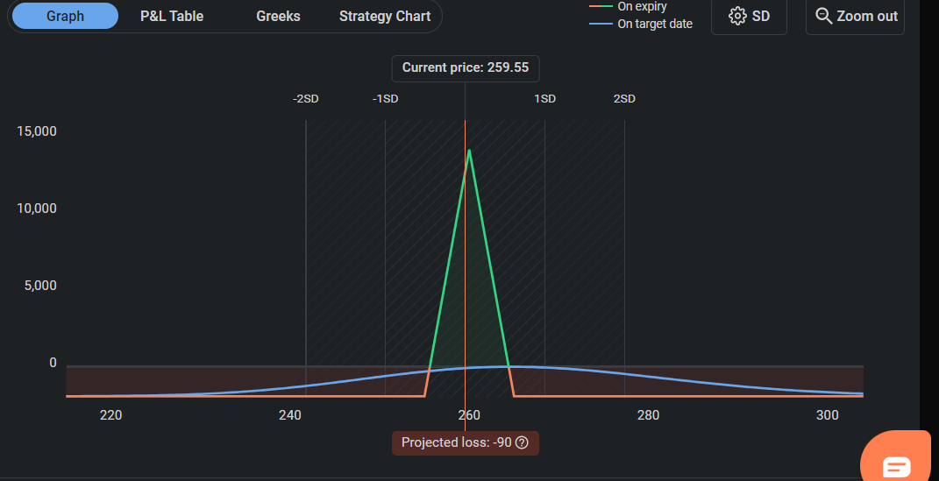
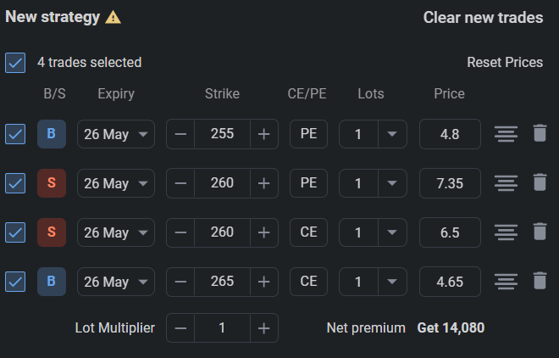
 |  |  |  |  | Profit Graph:
Strategy 9: (Near month-May) | Iron butterfly
S1<S2<S3 | St<S1 | S1<St<S2 | S2<St<S3 | St>S3
Long Put(S1,p1) | S1-ST | 0 | 0 | 0
Short Put(S2,p2) | St-S2 | St-S2 | 0 | 0
Short Call(S2,p3) | 0 | 0 | S2-St | S2-St
Long call(S1,p4) | 0 | St-S1 | St-S1 | St-S1
Net Payoff | S1-S2 | 2St-S1-S2 | S2-S1 | S2-S1
Net Profit | S1-S2-p1+p2+p3-p4 | 2St-S1-S2-p1+p2+p3-p4 | S2-S1-p1+p2+p3-p4 | S2-S1-p1+p2+p3-p4

Breakevens | 255.6(-1.52%) 264.4(1.87%)
Max Loss | -1,920
Max Profit | 14,080

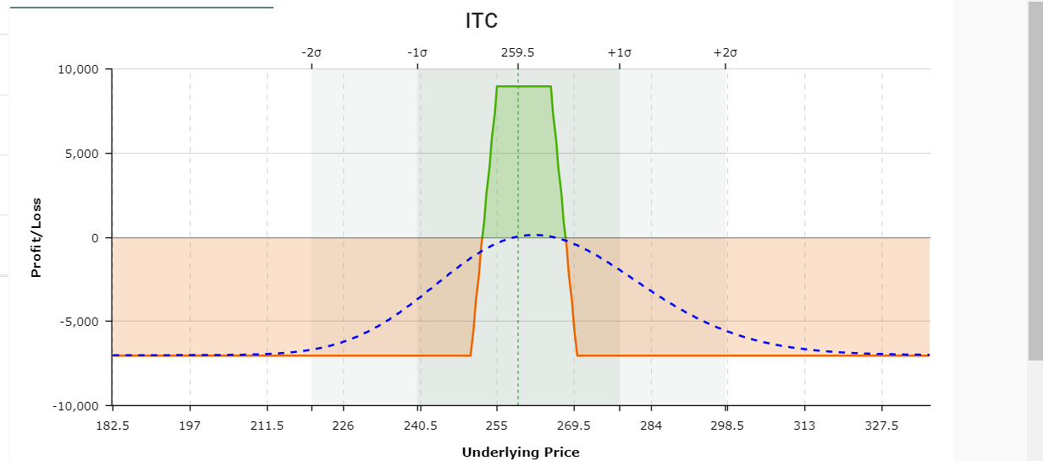
Strategy 10: (Near month-May) | Short Iron Condor
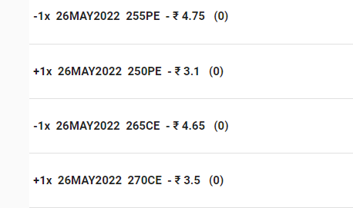
Payoff Matrix
S1=250,S2=255,S3=265,S4=270
S1<S2<S3<S4 | St<S1 | S1<St<S2 | S2<St<S3 | S3<St<S4 | St>S4
long Put(S1,p1) | S1-St | 0 | 0 | 0 | 0
short Put(S2,p2) | St-S2 | St-S2 | 0 | 0 | 0
short Call(S3,p3) | 0 | 0 | 0 | S3-St | S3-St
Long call(S4,p4) | 0 | 0 | 0 | 0 | St-S4
Net Payoff | S1-S2 | St-S2 | 0 | S3-St | S3-S4
Net Profit | S1-S2-p1+p2+p3-p4 | St-S2-p1+p2+p3-p4 | -p1+p2+p3-p4 | S3-St-p1+p2+p3-p4 | S3-S4-p1+p2+p3-p4

Breakevens | 252.5 267.5
Max Loss | 7,040
Max Profit | 8,960

